Sheet1
 | Document No. |  | Issue No. | Issue Date |  | Review and Replace Date |  | Authorised By
 | GFF336MC |  | 3 | 11.10.2021 |  | 22.09.2022
 | Document Title |  | 8 HARISSA LAMB KOFTA & MINT RAITA 170g
 |  |  |  |  |  |  |  | Magda Shah
Document amendments reason for change | New recipe & Added Mint Raita Dip Pot 25g |  | Page 1 of 1 |  | Previous Issue Date |  | 08.04.2022 | Uncontrolled copy unless signed original

CLHKOB2-R1TEB |  | BOOTHS - XMAS |  | 8 HARISSA LAMB KOFTA & MINT RAITA 170g

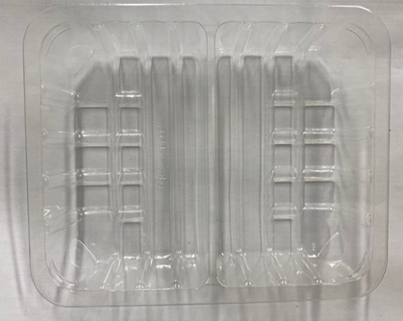 |  |  | 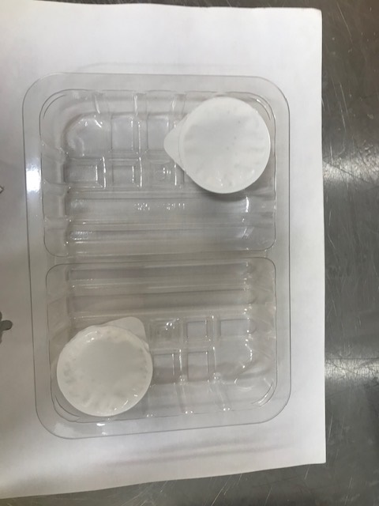

Tray: SK4 - Split (PKESS001-06) Film: K-peel 7G+25A/f-275mm (PKKMP001-03) |  |  | Mint Raita Dip Pot(25gX2)-(RMPIQ001-04): (50g)
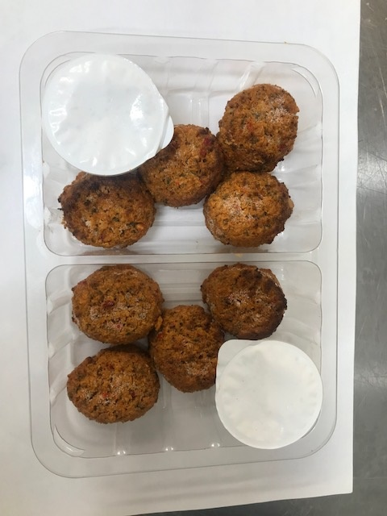
8 x Harissa Lamb Kofta -(GFF301R) 15g: (120g) |  |  |  |  |  |  | Total Weight: 170g
ALLERGY ALERT: Soya,Milk,Egg

